LOGIC
 | MECHANICAL REASONING
 | This test in intended to measure the ability to note and imagine the most reasonable way of assembling mechanical and structural parts on the basis of the shape and size of the parts to be fitted. You are given 16 minutes to read the directions, study the example, and answer all items in this test.

 | DIRECTIONS: Each items in this subtest consists of three or four parts of at three- dimensional figure. Five of such three-dimensional figures are shown at the right numbered 1,2,3,4 and 5. One of these figures is the correct assembly of the parts given at the left. You are to choose the one figure at the right that is the correct assembly on the basis of the exactness with which the parts are fitted, the stability of the assembly, and its general appearance of completeness. Once you have chosen one of the assemblies, type the number that corresponds with your answer on the cell before the appropriate item number.
 |  | Example:
 |  | 3
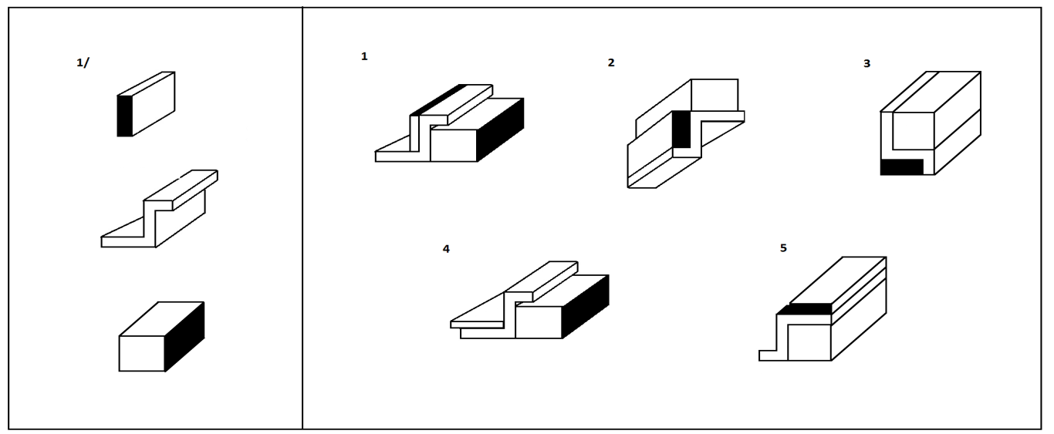

 |  |  | In the example given, the drawing wherein all parts are so fitted that the resulting figure is not only stable but is generally complete in appearance in number 3. So number 3 is the correct answer. The other drawing have parts which are not so exactly fitted, sometimes not too stable, and in general lack completeness.

 |  |  | BEGIN HERE.
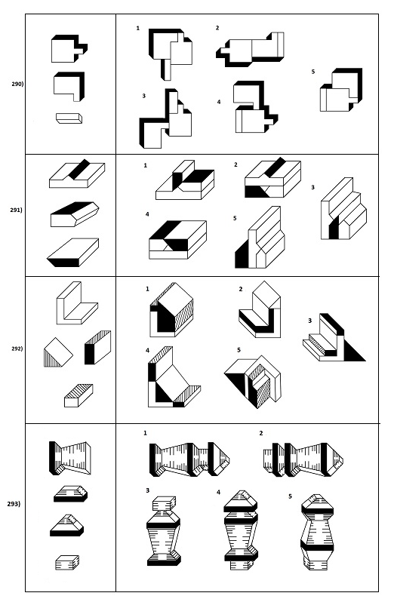

0

0

0

0

 | SIMILARITITES AND DIFFERENCES
 | This test is designed to measure the ability to detect similarities and difference is a group of five drawing. You are given 9 minutes to read the directions, study the example, and answer all items in this test.

 | DIRECTIONS: Each items consists of five drawings numbered 1,2,3,4 and 5. All the drawings are essentially alike except one which is different from the others in some small detail. Find this drawing and type the number that corresponds your chosen answer on the cell before the appropriate item number.
 |  | Example:
 |  | 4

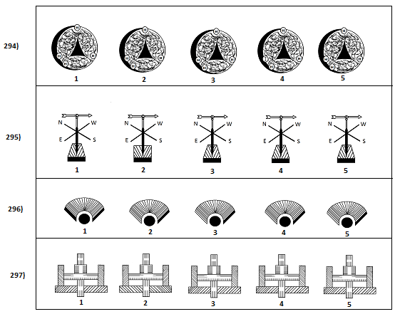
 |  | BEGIN HERE.

0

0

0

0

 | MISSING FIGURE
 | DIRECTIONS: Each figure at the left has a part which has been removed. To its right are given small figures 1,2,3,4 and 5. One of these has the same size, shape and upright position as the missing portion in the bigger figure at the left. Find this missing figure from the five given and type the number that corresponds your chosen answer on the cell before the appropriate item number .
 |  | Example:
 |  | 3

 |  |  |  | Consider the example above. You will readily observe that the correct figure at the right that will fit into the missing portion of the figure at the left is number 3 and so the correct answer is number 3.
 |  | BEGIN HERE.
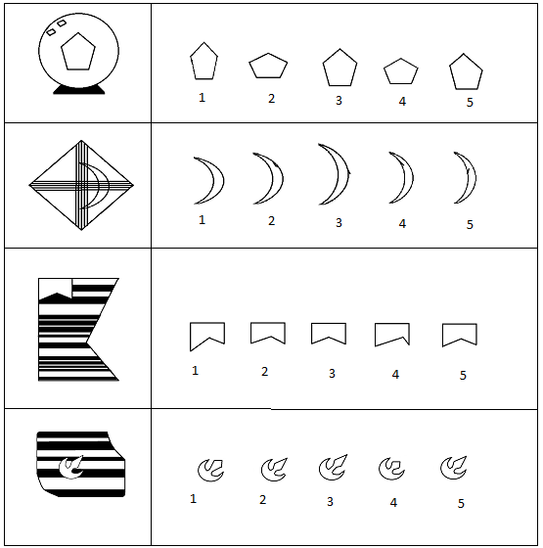

0

0

0

0

 | MISSING FIGURE
 | This particular test measures the ability to visualize the shape of a geometric figure that can be formed by moving and combining several figures in space. You are given 14 minutes to read the directions, study the example, and answer all items in this test.

 | DIRECTIONS: In this test you are presented a set of five simple figures numbered 1,2,3,4 and 5. This set is called the KEY. The Key Set, is to be used for all items on the page. For each Key Set to be used, there are five items. Each items consists of three pieces of a figure which when fitted together will form one of those found in the Key Set. When you join the pieces be sure that the figure formed has the same size, shape and upright position as one of those in the Key Set. One a figure in the Key Set has been chosen, type the number that corresponds your chosen answer on the cell before the appropriate item.
 |  | Example:

 |  |  |  | 1) | 3 | 2) | 3

 |  | BEGIN HERE.

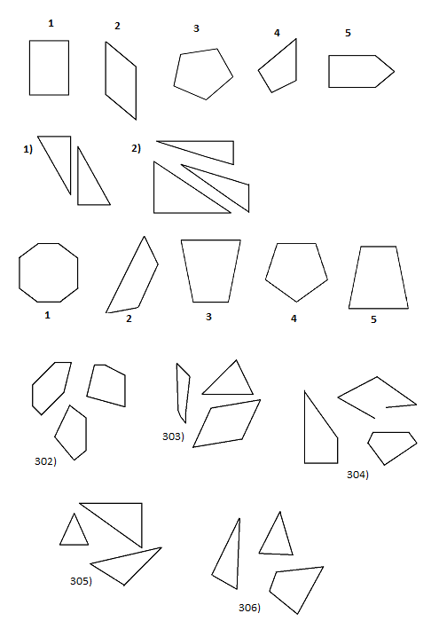

0 |  | 302)
0 |  | 303)
0 |  | 304)
0 |  | 305)
0 |  | 306)

0

